Sheet1
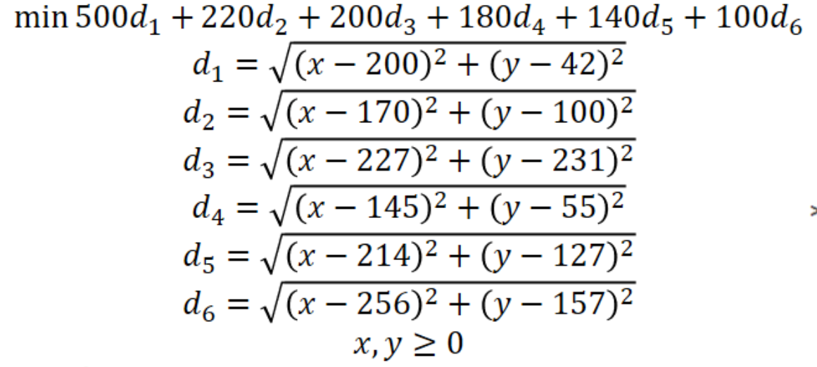
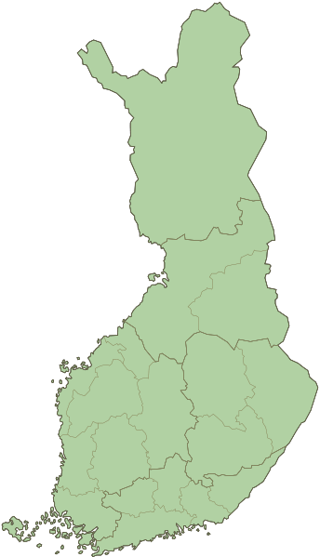

i | Area | Deliveries per month | x | y | Distance | Total dist. Per month
1 | Helsinki | 500 | 200 | 42 | 37 | 18437
2 | Tampere | 220 | 170 | 100 | 30 | 6625
3 | Oulu | 200 | 227 | 231 | 158 | 31580
4 | Turku | 180 | 145 | 55 | 50 | 9058
5 | Jyväskylä | 140 | 214 | 127 | 55 | 7702
6 | Kuopio | 100 | 256 | 157 | 103 | 10332
 | DISTRIBUTION CENTER |  | 190 | 77 |  | 83733

